SFERA MONOBLOCK
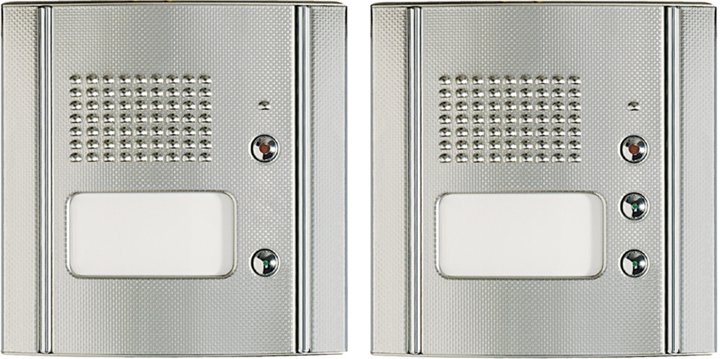

1 Ruftaste AUDIO 333114 VIDEO 333814 | 2 Ruftasten AUDIO 333124 AUDIO 333144 AUDIO 333164 AUDIO 333184 AUDIO 333104 VIDEO 333824 VIDEO 333844 VIDEO 333864 8 RT 333284 12 RT 333204

